Sheet1
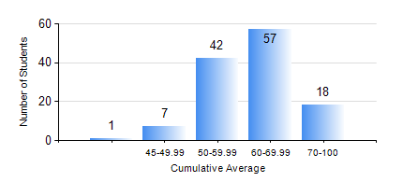
 |  |  | KWAME NKRUMAH UNIVERSITY OF SCIENCE AND TECHNOLOGY, KUMASI Department of Materials Engineering

 |  |  | BSC. MATERIALS ENG.

 |  |  | COMPREHENSIVE RECORD OF EXAMINATION RESULTS

 |  |  | RESULTS OF YEAR 4 FIRST SEMESTER, 2022/2023 ACADEMIC YEAR

 | Sn | Course Code |  | Course Name | Credit Hours | Min. Mark | Max. Mark | Avg. Mark | Std. Dev. | No. Passed | No. Trailed | No. (Df) | No. (I) | No. (I*) | No. Tagged(I,I*,Df) | Total
 | 0. |  |  |  |  |  |  | 0 | 0 | 0 | 0 | 0 | 0 | 0 | 0 | 1
 | 1. | ME 491 |  | ENGINEERING ECONOMY AND MANAGEMENT | 3 | 30 | 83 | 62 | 9.83 | 122 | 2 | 0 | 0 | 0 | 0 | 124
 | 2. | MSE 359 |  | MATERIALS ENGINEERING LABORATORY I | 2 | 65 | 65 | 65 | 0 | 1 | 0 | 0 | 0 | 0 | 0 | 1
 | 3. | MSE 451 |  | COMPOSITE MATERIALS | 3 | 19 | 85 | 56 | 15.33 | 110 | 9 | 5 | 0 | 0 | 5 | 124
 | 4. | MSE 453 |  | CORROSION OF ENGINEERING MATERIALS | 3 | 20 | 84 | 54 | 12.57 | 120 | 4 | 0 | 0 | 0 | 0 | 124
 | 5. | MSE 455 |  | FAILURE ANALYSIS AND NON-DESTRUCTIVE TESTING | 2 | 40 | 80 | 62 | 8.87 | 124 | 0 | 0 | 0 | 0 | 0 | 124
 | 6. | MSE 457 |  | METALWORKING PROCESSES | 3 | 42 | 91 | 68 | 9.28 | 124 | 0 | 0 | 0 | 0 | 0 | 124
 | 7. | MSE 459 |  | VACATION TRAINING | 1 | 45 | 92 | 77 | 6.97 | 122 | 0 | 2 | 0 | 0 | 2 | 124
 | 8. | MSE 497 |  | FINAL YEAR PROJECT-PROPOSAL DEVELOPMENT | 2 | 61 | 82 | 74 | 5.08 | 123 | 0 | 1 | 0 | 0 | 1 | 124

